Evaluation forms in UI
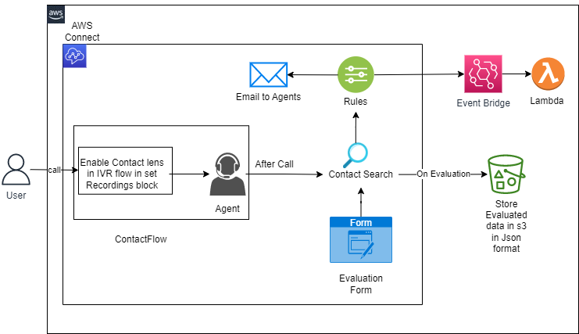
Index

s3 buckect | http://evaluationform-ui.s3-website-us-east-1.amazonaws.com/ | #Ui link
 | amazon-connect-form-evaluations/connect/tcsawsdemo/ContactEvaluations | #path to s3 where the contact evaluations are stored
Api Gateway | AgentEvaluationForms

Lambda | UpdateEvaluationForm | # To get the form data to UI, to update the data
 | Update-s3csvfile-on-AgentEvaluationofForm | # will update the dynamo db on submitiing evaluation form

Dynamodb | EvaluationForms

Updated UI URL | http://eval-form-ui-updated.s3-website-us-east-1.amazonaws.com/

Sr no | Description | Phase | Status | ETA to complete
1 | Rule Engine to trigger Alert to Supervisor | 1 | Completed
2 | Evulation is Done automatically | 1 | Completed
3 | UI is devleoped for Agent and Supervisor to view and Supervsior can edit machine response | 1 | Completed
4 | To test evaluation form API | 2 | Pending
5 | To create dashboard on no of evaluation eligble and how many are completed | 2 | under Progress
6 | Auto Assignment of Supervisor once rule is triggered | 2 | Pending
7 | evaluation is done by which supervisor | 3 | Dropped
8 | Dashboard for overall score of customer sentiment / week / month | 3 | Pending
9 | Agent can raise dispute on evlaution feedback and send to supervisor for discuss | 3
10 | Supervisor can get Agent wise evulation ID option | 3

